Sheet1
Scene No. | 6
Quest Title | 印记
Quest Log | 打败15个骏马酱爆回复维安
Map No. | 21
 | 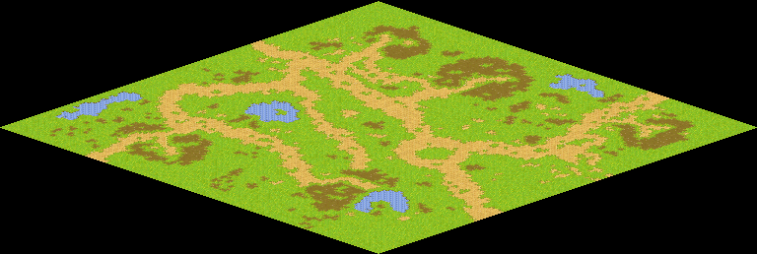
NPC No.
Condition
Dialog
Select
Result | 1 : Scene 0007

NPC No.
Condition
Dialog
Select
Result

ScriptFile | Qlog-0040-006.scr

